Account Log In for Demo
Correct
Info?
TKG Prospective Clients | Log In | Double Check Registration Details (sourced from demo request) | Go to Logo Upload Page | Go to Template Selection Page | Go To My Profile |  | SELECT SUITABLE SOLUTION | REVIEW PRICING SELECT PAYMENT METHOD & INPUT DISCOUNT CODE
Yes

TKG Tech & Design Team
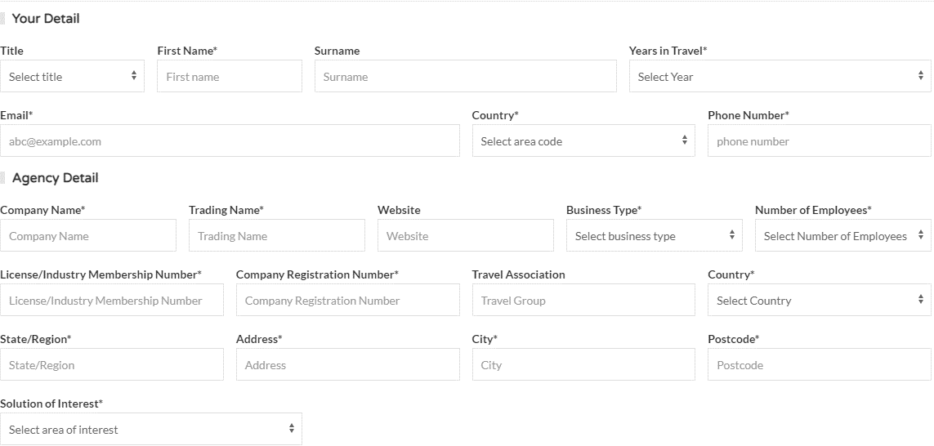
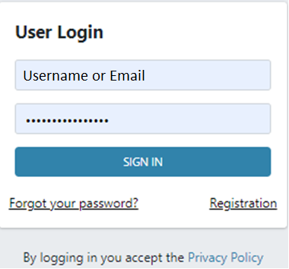
No:
-Bring this form up
-Allow instant field edits

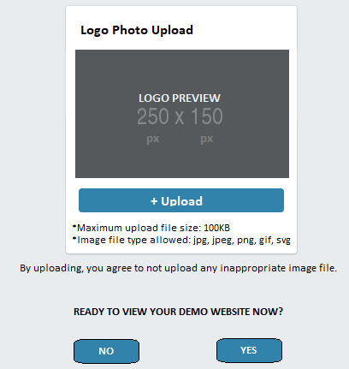
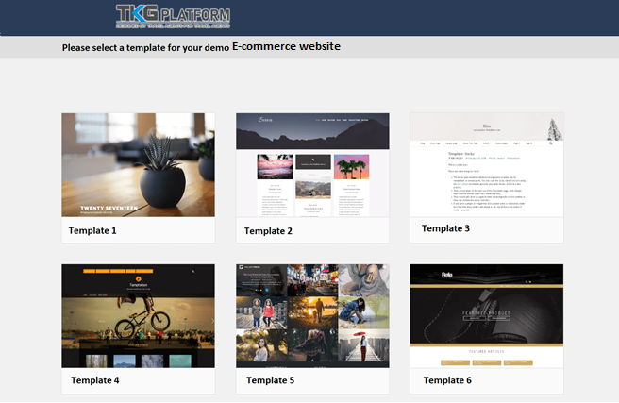
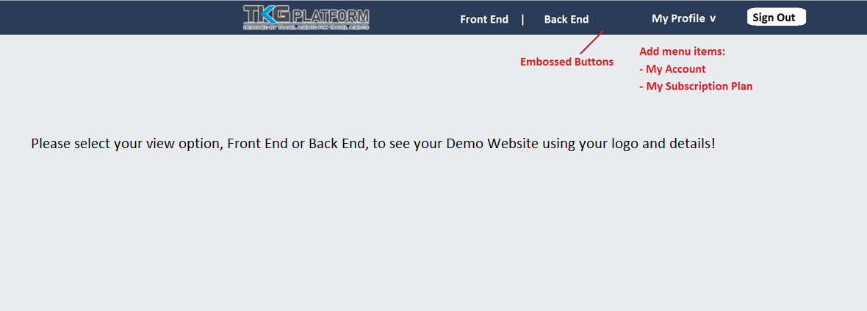
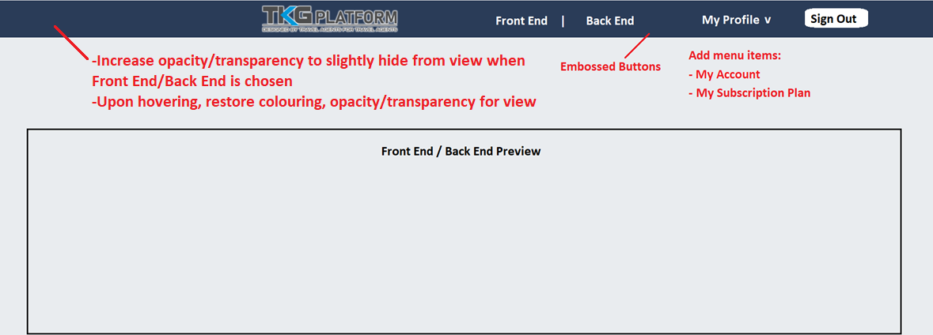
 |  |  |  |  |  | Show Account Details (input previously) in My Account |  |  | Show selected solution's price on top of Set up your payment

View selected
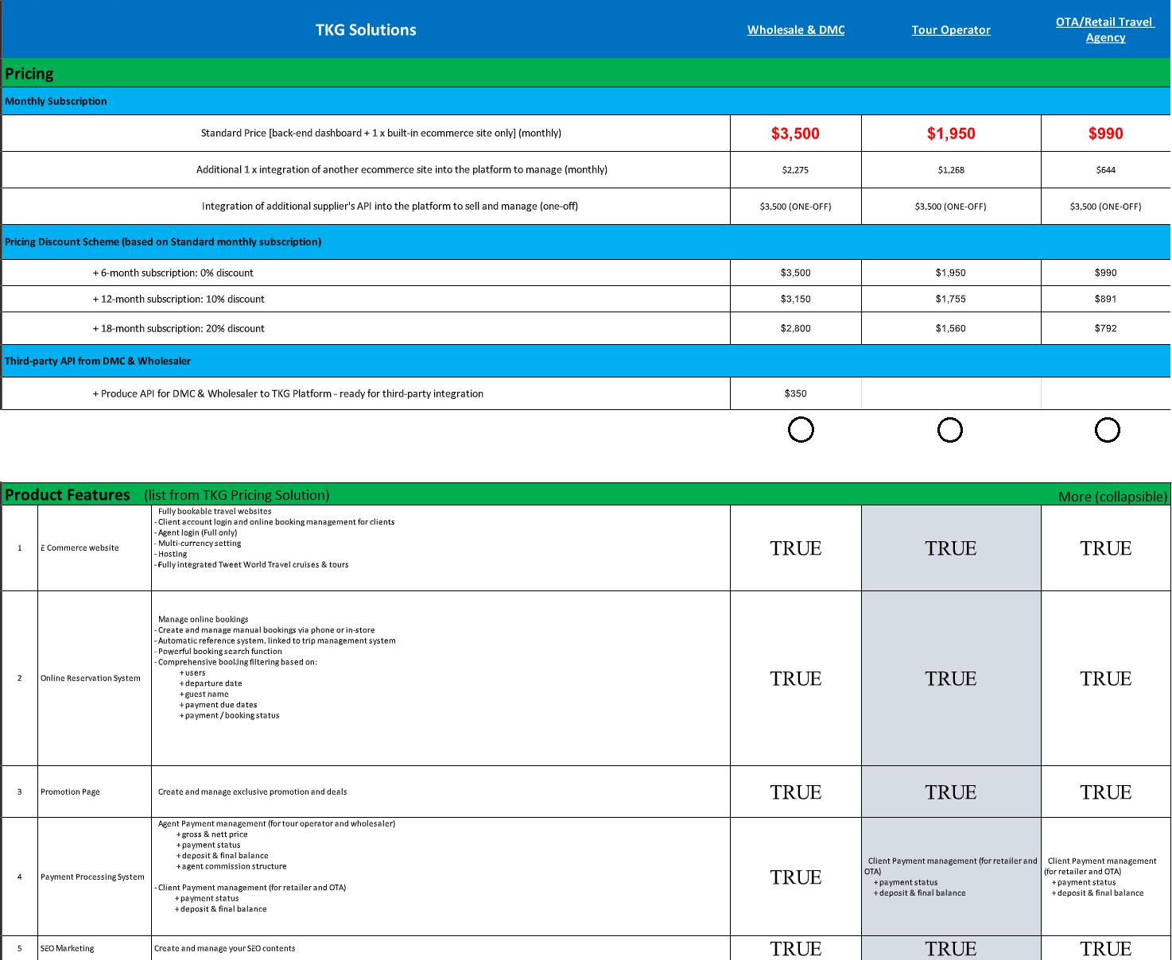

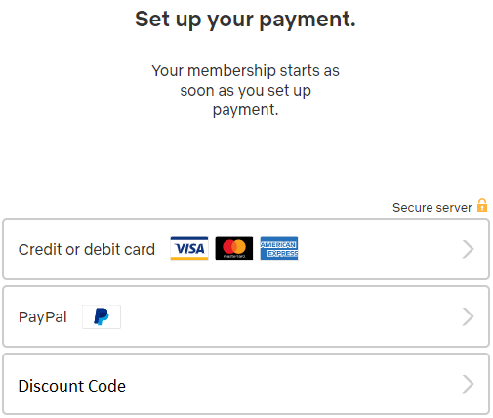
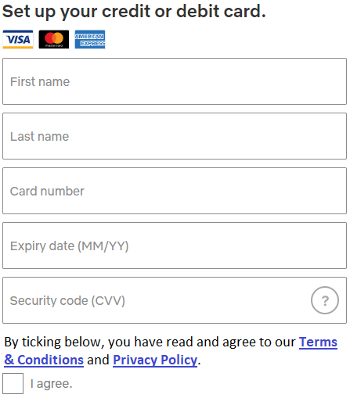
 |  |  |  |  |  | Show My Subscription Plan & Ability to Upgrade and Payment

 |  |  |  |  |  |  |  |  |  | Select credit/debit

 |  |  |  |  |  |  |  | Input discount code will apply and show the final price and amount reduced

Registration Form
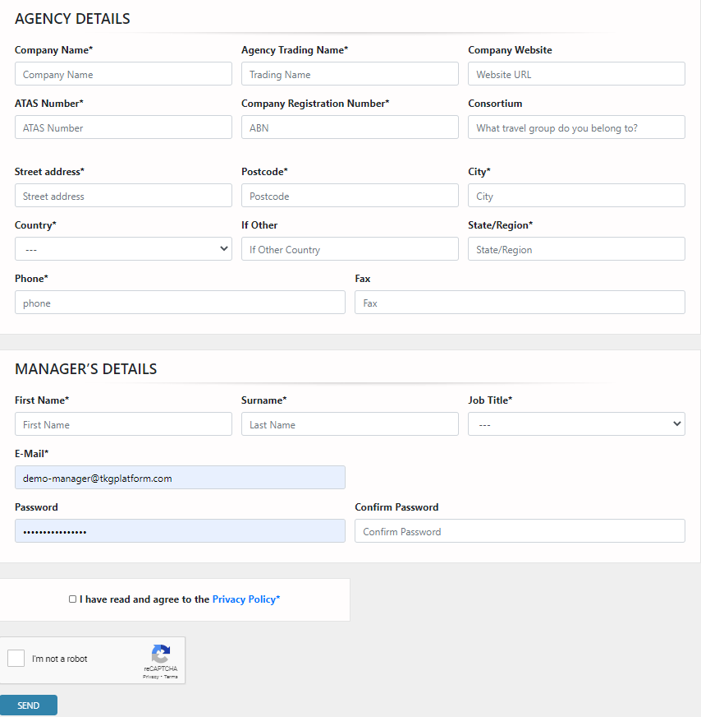
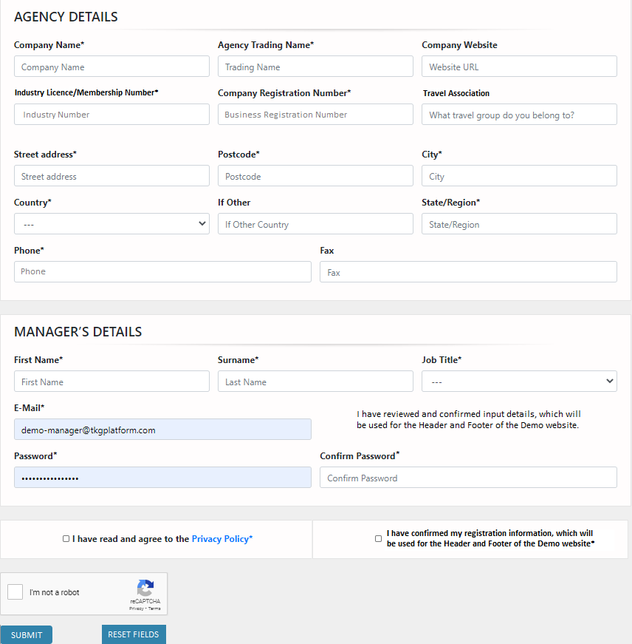
Original | Change Suggestion

Logo Upload Form
